1. Title Page
[Project Name]

Project Name:
Date:
Analyst Name:

Contents:
Population Flow
Consistency checks
Wrangling steps
Column derivations
Visualizations
Recommendations

2. Population Flow
Title page

Population flow

Exclusion flag
Condition: max_order < 5
Obervations to be removed: 1,469,925
Final total count of order_products_all: 32,404,859

Orders_products_combined
Orders_products_merged
Orders_products_all

Total: 32,404,859
Total: 32,434,489
Total: 30,964,564

1.) The grey boxes in the first row of the population flow represent the original data sets as they were when you downloaded them. In the Total fields you need to add the count of the rows when you imported the data set into Jupyter.
2.) The second row of boxes (coloured) represents the data sets after you manipulated them, e.g., removed missing values and duplicates. In the Total fields you need to add the count of the rows after conducting these operations. This offers a visual oveview of how the data flows throughout the data consistency checks.
3.) The third row, where also the arrows are coloured, represents the merges you performed between the datasets. In the Total fields you need to add the count of the rows in the merged datasets, so that you end up with the final dataset (in the red box). Keep in mind the final dataset should be without exclusions (based on the exclusion flag).

3. Consistency checks
 |  |  |  | Title page
Consistency checks

Dataset | Missing values | Missing values treatment | Duplicates
orders | days_since_prior_order- 206209 | Did remove missing values. Plan to reach out to team to find missing data. The missing values could be due to data corruption or records were never entered. | 0
products | missing product names(16) | Did remove missing values. Plan to reach out to team to find missing data | 0
orders_products_prior | 0 |  | 0
customers | First Name | Did remove missing values. Plan to reach out to team to find missing data

4. Wrangling steps
 |  |  |  | Title page
Wrangling steps

Columns dropped | Columns renamed | Columns' type changed | Comment/Reason
eval_set |  |  | eval _set: was older data enter in before current data set. The older data would not be helpful.
 | orders_dow |  | orders_dow: Changed to orders_day_of_the_week
 |  | order_id | changed data type from a interger to string
 |  | user_id | changed data type from a interger to string
 | STATE |  | STATE--> state
 | First Name |  | First Name--> first_name
 | Surnam |  | Surnam--> last_name
 | n_dependants |  | n_dependants--> dependants
 | fam_status |  | fam_status-->family_status
 | Gender |  | Gender-->gender
 | Age |  | Age-->age
busiest_day |  |  | Decided to focus on the 2 busiest days and least busy days.

5. Column derivations
 |  |  |  | Title page

Column derivations and aggregations

In this tab you should add tables below that the frequences of flags/label variables that you produced after deriving them. NB: don't do this for continuous variables, only for flags.
Dataset | New column | Column/s it was derived from | Conditions
orders_products_merged.pkl | price_range_loc | prices | if [value]<=5, 'low-range product'
 |  |  | if [value]>5 & [value]<=15, 'mid-range product'
 |  |  | if [value]>15, 'high-range product'
 | busiest_day | orders_day_of_the_week | if [value] in [0], 'busiest day'
 |  |  | if [value] in [4]. 'least busy'
 |  |  | else, 'regularly busy'
 | busiest_days | orders_day_of_the_week | if [value] in [0,1], 'busiest_days
 |  |  | if [value] in [3,4], 'slowest_days'
 |  |  | else, 'regular_days'
 | max_order | order_number | take the average order_number and order them by user_id
 | busiest_period_of_day | order_hour_of_day | if [value] in [10,11,14,15,13], 'most orders'
 |  |  | if [value] in [3,4,2,5,1], 'fewest orders'
 |  |  | else, 'average orders'
 | loyalty_flag | order_number--> max_order | if [max_order]>40, 'loyal customer'
 |  |  | if [max_order]<=40 & [max_order]>10, 'regular customer'
 |  |  | if [max_order]<=10, 'new customer'

 | big_spender_flag | prices-->average_price | if [average_price]< 200000), 'low spender'
 |  |  | if [average_price]>= 200000), 'high spender'
 | median_order_frequency | days_since_prior_order | take the median days since prior order, and order them by user_id
 | order_frequency_flag | days_since_prior_order--> median_order_frequency | if [median_order_frequency]>20, non-frequent customer
 |  |  | if [median_order_frequency]>10 & [median_order_frequency]<= 20, 'regular customer'
 |  |  | if [median_order_frequency]<= 10, 'frequent customer'
full_instacart_data | region | state | northeast=['Maine','New Hampshire','Vermont','Massachusetts','Rhode Island','Connecticut','New York','Pennsylvania','New Jersey']
 |  |  | midwest=['Wisconsin','Michigan','Illinois','Indiana','Ohio','North Dakota','South Dakota','Nebraska','Kansas','Minnesota','Iowa','Missouri']
 |  |  | south=['Delaware','Maryland','District of Columbia','Virginia','West Virginia','North Carolina','South Carolina','Georgia','Florida','Kentucky', 'Tennessee','Mississippi','Alabama','Oklahoma','Texas','Arkansas','Louisiana']
 |  |  | west=['Idaho','Montana','Wyoming','Nevada','Utah','Colorado','Arizona','New Mexico','Alaska','Washington','Oregon','California','Hawaii']
 | activity | max_order | if [max_order]<10, 'low activity'
 |  |  | if[max_order]>=40, 'active'
 | age_group | age | if[value]<=30, 'Young Adult'
 |  |  | if[value]>30 & <65, 'Adult'
 |  |  | if[value]>=65, 'Senior'
 | income group | income | if[income]<=52000, 'lower class'
 |  |  | if[income]>52000 or <=156000, 'middle class'
 |  |  | if[income]>156000, 'upper class'
 | dependants |  | orders_products_merged_customers.loc[orders_products_merged_customers['dependants'] > 0, 'dependants_flag'] = 'no dependents'
 |  |  | orders_products_merged_customers.loc[(orders_products_merged_customers['dependants'] <= 1) & (orders_products_merged_customers['dependants'] < 3), 'dependants_flag'] = '1 to 2 dependents'
 |  |  | orders_products_merged_customers.loc[orders_products_merged_customers['dependants'] == 3, 'dependants_flag'] = '> 3 dependents'

 | meal_prepper |  | orders_products_merged_customers.loc[orders_products_merged_customers['orders_day_of_week'] <= 1, 'meal_prepper_flag'] = 'Meal'
 |  |  | orders_products_merged_customers.loc[orders_products_merged_customers['orders_day_of_week'] >= 2, 'meal_prepper_flag'] = 'Not'

6. Visualizations
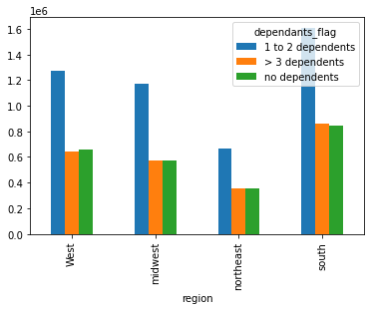
 |  |  |  |  |  | Title page

Visualisations

In this tab you should include all the visualtions from Exercises 4.9 and 4.10, alongside the questions from the project brief that they answer. Include any commentary on the relationship between different variables.

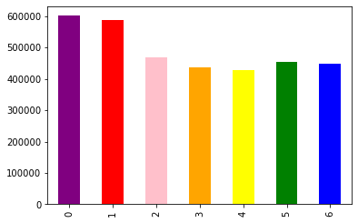
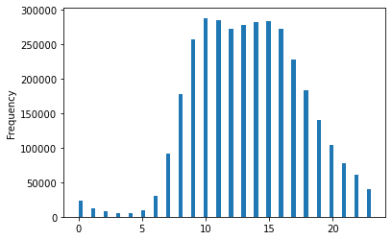
4.9 Charts
01. The sales team needs to know what the busiest days of the week and hours of the day are (i.e., the days and times with the most orders) in order to schedule ads at times when there are fewer orders.The sales team needs to know what the busiest days of the week and hours of the day are (i.e., the days and times with the most orders) in order to schedule ads at times when there are fewer orders.
 |  |  |  |  |  |  | Key:
 |  |  |  |  |  |  | 0 = Saturday
 |  |  |  |  |  |  | 1 = Sunday
 |  |  |  |  |  |  | 2 = Monday
 |  |  |  |  |  |  | 3 = Tuesday
 |  |  |  |  |  |  | 4 = Wednesday
 |  |  |  |  |  |  | 5 = Thursday
 |  |  |  |  |  |  | 6 = Friday

The histogram shows the shopping hours.Early mornings are on the low end, 0-5. Spending picks up between hours 6-15. Then starts to drop around off around hours 16-20. |  | The bar chart above showa the days of the week when orders are placed. The busiest days are Saturday, Sunday, and Monday | Suggestion: Advertising products during hours 6-15 on Friday, Saturday, and Wednesday.

02. They also want to know whether there are particular times of the day when people spend the most money, as this might inform the type of products they advertise at these times.
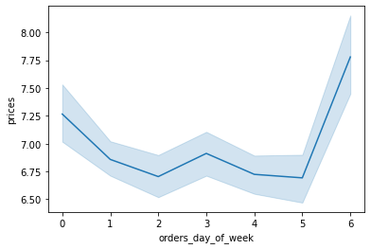
 | Key:
 | 0 = Saturday
 | 1 = Sunday
 | 2 = Monday
 | 3 = Tuesday
 | 4 = Wednesday
 | 5 = Thursday
 | 6 = Friday

The Line chart shows which days customers are spending the most money. Those days are Friday, Saturday, and Wednesday.

03. Instacart has a lot of products with different price tags. Marketing and sales want to use simpler price range groupings to help direct their efforts.

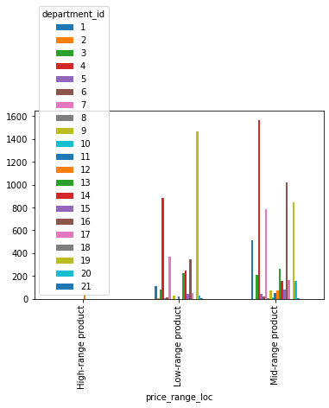

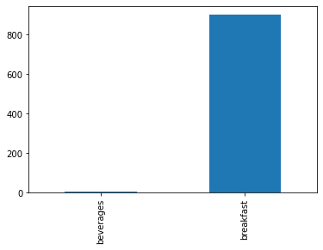
04. Are there certain types of products that are more popular than others? The marketing and sales teams want to know which departments have the highest frequency of product orders.

05. The marketing and sales teams are particularly interested in the different types of customers in their system and how their ordering behaviors differ.
What’s the distribution among users in regards to their brand loyalty (i.e., how often do they return to Instacart)?
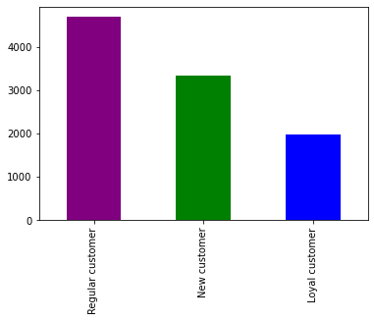

 | regluar customers return the most.

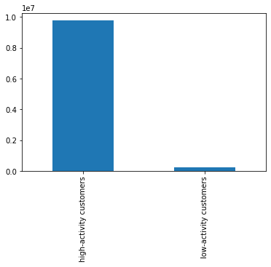
Are there differences in ordering habits based on a customer’s loyalty status?

Are there differences in ordering habits based on a customer’s region?
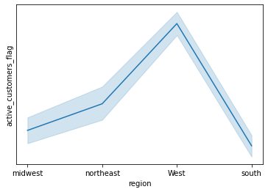
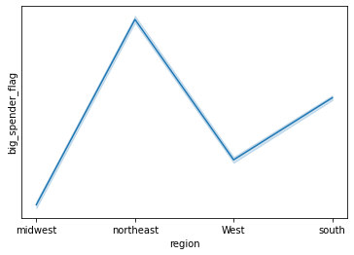

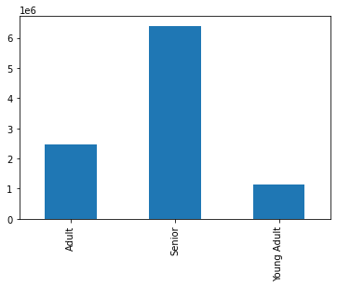
Customers from the northeast spend the most money. |  | Customers from the west are the most active
D. Is there a connection between age and family status in terms of ordering habits?
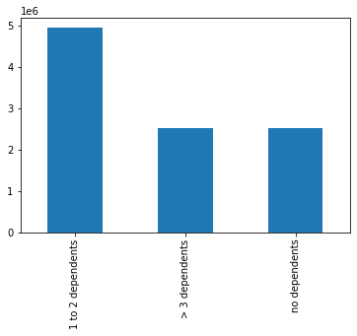
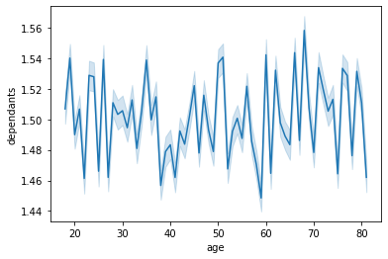

Senior age group order the most products |  | House holds with 1-2 dependents buy the most products. |  | age groups 20-50 have the largest number of the dependents.
E. What different classifications does the demographic information suggest? Age? Income? Certain types of goods? Family status?
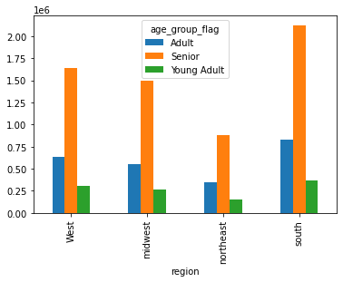
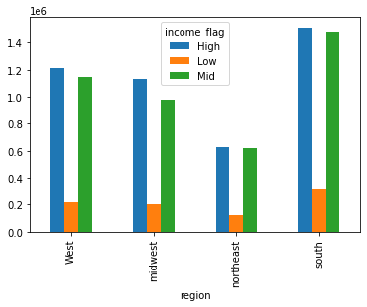

Senior age group spends the most in each region.
 |  | The south has the highest income flag for both high and mid income.

F. What differences can you find in ordering habits of different customer profiles? Consider the price of orders, the frequency of orders, the products customers are ordering, and anything else you can think of.

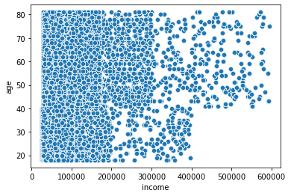

There is a relationship between income and age.
 |  |  |  |  | income_flag bar chart

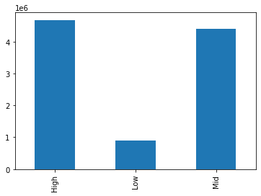

 |  |  |  |  |  | creating tab to display dependents_region

